Product A Line Plot
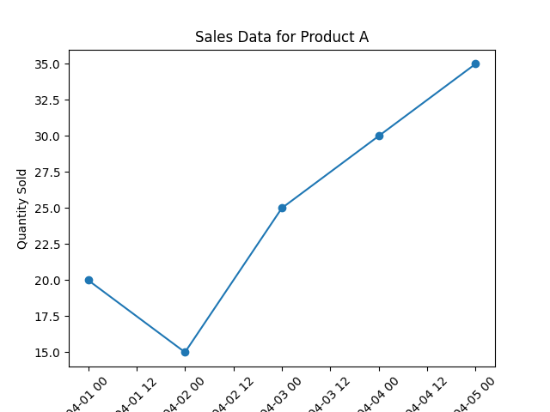

Product B Line Plot
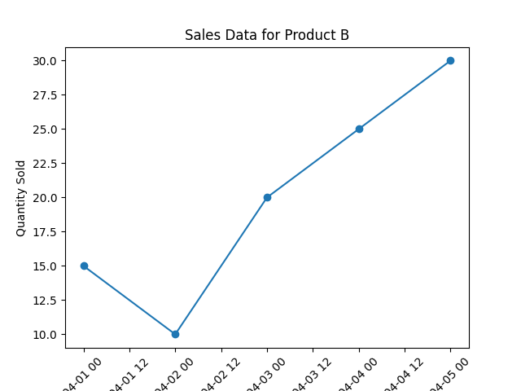

Product C Line Plot


Product D Line Plot


Product E Line Plot


Product F Line Plot


Product G Line Plot


Product H Line Plot


Product I Line Plot


Product J Line Plot


Product K Line Plot


Product L Line Plot


Total Sales Pie Chart
